EET
 | EUROPEAN ESG TEMPLATE - EET V1.1.3- 2026 04 10
Disclaimer:
This template is made available by FinDatEx free of charge. Its use is entirely voluntary and does not create any obligation to adopt or apply it.
FinDatEx does not assert any intellectual property rights or copyright. The name “Financial Data Exchange”, “FinDatEx” and any FinDatEx logos or trademarks may not be used without prior written permission.
The template has been developed to facilitate data exchange between market participants. It is provided for informational and practical purposes only and does not constitute legal, regulatory, tax, or investment advice. Use of the template does not ensure or imply compliance with any applicable laws or regulations. Each user remains solely responsible for assessing and ensuring compliance with all applicable legal and regulatory requirements.
The template is non-binding and may be adapted by users at their own discretion and risk. FinDatEx does not verify, endorse, or assume responsibility for any modifications made to the template or for any data exchanged using it.
The template is provided “as is” without any representation or warranty of any kind, whether express or implied, including, without limitation, warranties of accuracy, completeness, fitness for a particular purpose, or regulatory sufficiency.
To the fullest extent permitted by applicable law, FinDatEx shall not be liable for any direct or indirect loss or damage arising from or in connection with the use of, or reliance on, this template.
FinDatEx assumes no obligation to update or revise the template to reflect legal, regulatory, or market developments.
In comparison with V1.1.2, V1.1.3 includes fields linked to ESMA guidelines (ESG Naming convention, included within ESG label or standard tab; screening strategies) and a new version of the German MiFID ESG target market concept.
In Nace 2.1, Real Estate is now M instead of L. The letter L in fields 30820, 30830, 30840, 30850 is being replaced by M
For sustainable and taxonomy aligned minimum investments, a % figure (items 20420/20450) is a firm commitment of the manufacturer and a blank means that the manager is unable to provide these data and means 0% for a M field for the countries which require these data.
Scope: Distributors and Insurers are working on the hypothesis that EET will be provided for all funds and structured products.
Mandatory or Conditional status of the fields will change over time following regulations implementation timing.
For art 8 or 9 products under SFDR, Mandatory [M] & Conditional [C] fields must be completed.
For Products not considered as 8 or 9 type under SFDR, the EET should be fulfilled up to item #28 , field 20050, and then from item #103 to item #240, ie mandatory PAI for SFDR entity level. The rest of the template should be considered optional.
EET should be read in conjunction with EMT to ascertain the target market for the particular product.
In consequence, where a product manufacturer is producing an EET it is highly recommended to provide a complementary EMT 4.0, with the same scope of products included. It shall be avoided to provide an EET alongside with an EMT version that is not the EMT 4.0
PAI will be mandatory from 1. January 2023 on all products invested by asset managers, portfolio managers, insurers and pension funds, which could require manufacturers to provide these data.
Rule: for structured products and funds, eligible assets figure is capped at 100%.
Derivatives can be taken in account to define the eligible assets basis and the coverage for ESG factors (PAI, etc), except for the taxonomy exposure calculation within financial products under SFDR.
- Hedge Derivative: Derivative used as an hedge (basel/solvency II) will have the ESG characteristics of its underlying (currency hedge, equity hedge, interest hedge) and exposure to ESG assets will be underlying exposure minus the delta (0 for curreny hedge). Eligible assets will be calculated with this exposure and with the value of the hedge derivatives.
- EPM (efficient portfolio management) Derivatives: only derivatives with ESG, green etc underlyings will be taken in account. Eligible assets will be calculated with their exposure (delta) to ESG underlyings.
For Structured Products the reported percentages related to taxonomy alignment and/or minimum or planned proportion of sustainable investments can be based on a combination of Funding Component and Derivative Exposure as reporting in field 80010 and potentially further differentiated in fields 80020 to 80050.
EET naming convention: the naming may start by EET_Version_Date with Version = 00010_EET_Version and Date = 00050_File_Generation_Date_And_Time. (Ex: EET_V1_20220601)
Each insurance company needs to have the product disclosures (pre-contractual, periodic and web disclosures) translated and published in the language of the countries of distribution, for products to be distributed within the unit-linked insurance sector. Otherwise the insurance company is not allowed to distribute anymore Art. 8 or Art. 9 funds, starting from 01.01.2023 onwards.
The insurance industry decided to use only translated documents provided by asset managers to avoid any liability. There is no legal obligation for asset managers to deliver these translations. But if they don’t do it, insurers will not distribute the product. The insurance company needs a deeplink directly to the standalone PDF Annex document and not to the prospectus or annual report, as the insurance company cannot integrate a funds prospectus or annual report in their processes.
For any question, please contact first your association, then the FinDatEx coordinators: esg@findatex.eu (Joakim Alpius, Nathalie Dogniez, Ghislain Perisse, Michael Pilous) or the secretariat of the EET working group: esg.secretariat@findatex.eu (Boris Bartels).
Mandatory [M] means fields are expected to be filled by the Manufacturer if the specific section of the EET is included. If a specific field is not available such field should be left blank/empty.
Conditional [C] means fields are expected to be filled under certain conditions such as contents of other fields.
Optional [O] means fields are Optional and can be filled on a voluntary basis.
Decimals are provided using decimal point[.]
Fields are separated by pipe [|]
Multiple entries within fields are separated by semicolon [;]
Blank in below columns means that the data is not relevant for the specific regulation.

NUM | DATA NAME | DEFINITION | CODIFICATION | COMMENT | V1: Mandatory / Conditional from 1. June 2022 (Reg date 1. August 2022) for MiFID & IDD | V1.1: Mandatory / Conditional from 1. Dec. 2022 (Reg date 1. Jan 2023) for SFDR, MiFID & IDD | V1.1.1 supplementary fields | V1.1.3 ESMA guidelines | SFDR products periodic | SFDR products pre -cont | SFDR Entity (ins & dis) | MiFID Products (including target market) | IDD Products (including target market) | MiFID distributors entity / client journey | IDD insurers entity / client journey | Look through / funds of funds
EET Data Set Information
1 | 00010_EET_Version | This field specifies the output version of the template and is used by the recipient to understand the number of fields expected, their labeling and order. | V1.1.3 |  | M | M |  | M | M | M | M | M | M | M | M | M
2 | 00020_EET_Producer_Name | If the Manufacturer/Issuer have chosen to outsource the production of an EET posting to another party responsible for the production and publication of the EET data set, such party name should be entered in this field. | Alphanum | This field enables firms to report EET on behalf of an Issuer/Manufacturer | O | O |  |  | O | O | O | O | O | O | O | O
3 | 00030_EET_Producer_LEI | If the Manufacturer/Issuer have chosen to outsource the production of an EET posting to another party responsible for the production and publication of the EET data set, such party LEI should be entered in this field. | Alphanum | This field enables firms to report EET on behalf of an Issuer/Manufacturer | O | O |  |  | O | O | O | O | O | O | O | O
4 | 00040_EET_Producer_Email | Contact entry point for distributors regarding EET | Alphanum |  | O | O |  |  | O | O | O | O | O | O | O | O
5 | 00050_EET_File_Generation_Date_And_Time | Date and Time of the creation of the EET file | YYYY-MM-DD hh:mm:ss ISO 8601 (UTC+0) | Universal Time zone | M | M |  |  | M | M | M | M | M | M | M | M
6 | 00060_EET_Data_Reporting_SFDR_Pre_Contractual | Data points refer to column J | Y / N | These data points are spread across sections | M | M |  |  |  | M |  |  |  |  |  | M
7 | 00070_EET_Data_Reporting_SFDR_Periodic | Data points refer to column I No means that there is not yet a periodic reporting. The M related fields have not to be fullfiled | Y / N | These data points are spread across sections | M | M |  |  | M |  |  |  |  |  |  | M
8 | 00080_EET_Data_Reporting_SFDR_Entity_Level | Data points refer to column K | Y / N | These data points are spread across sections | M | M |  |  |  |  | M |  |  |  |  | M
9 | 00090_EET_Data_Reporting_MiFID | Data points refer to column L & N | Y / N | These data points are spread across sections | M | M |  |  |  |  |  | M |  | M |  | M
10 | 00100_EET_Data_Reporting_IDD | Data points refer to column M & O | Y / N | These data points are spread across sections | M | M |  |  |  |  |  |  | M |  | M | M
Manufacturer Information
11 | 10000_Manufacturer_Name | Name of the Manufacturer | Alphanum |  | M | M |  |  | M | M | M | M | M | M | M | M
12 | 10010_Manufacturer_Code_Type | Codification used to determine the identification code. Either LEI or None. | L / N | LEI codification should be provided if available. | M | M |  |  | M | M | M | M | M | M | M | M
13 | 10020_Manufacturer_Code | Identification code of the Manufacturer | Alphanum | Conditional to field 10010 is set to LEI | C | C |  |  | C | C | C | C | C | C | C | M
14 | 10030_Manufacturer_Email | Contact entry point for distributors for content question | Alphanum |  | O | O |  |  | O | O | O | O | O | O | O | O
15 | 10040_General_Reference_Date | Date to which the general data refer | YYYY-MM-DD ISO 8601 | All sections without specified date will be considered as fulfilled under the general reference date | M | M |  |  | M | M | M | M | M | M | M | M
Manufacturer commitment to responsible investment
16 | 11000_Manufacturer_PRI_Or_PRB_Signatory | Has the Manufacturer signed the Principle for Responsible Investment ? | Y / N | Consider PRB or equivalent organisation for the banking strategy. Do we need to consider to consider the group or the asset manager itself ? This data point has been modified to consider the UNEP- FI Principles for Responsible Banking. | O | O |  |  |  |  | O |  |  |  |  | O
17 | 11011_Manufacturer_PRI_Notation_Percentage | Notation of the Manufacturer by the PRI on the "Policy, Governance and Strategy policy" | floating decimal (0.5 = 50%) | Replacing 11010 alpha numeric PRI notation (Methodology change) | O | O |  |  |  |  | O |  |  |  |  | O
18 | 11020_Manufacturer_PRI_Or_PRB_Compliant | The manufacturer is a subsidary of a PRI/PRB entity. | Y / N | It concerns subsidiaries of large signatory groups. | O | O |  |  |  |  | O |  |  |  |  | O
19 | 11030_Manufacturer_PRI_Or_PRB_Like | The Manufacturer is not a PRI/PRB signatory but considers it follows PRI/PRB rules. | Y / N | It concerns small asset managers or structured product manufacturers. | O | O |  |  |  |  | O |  |  |  |  | O
20 | 11040_Manufacturer_Other_Commitments | Other Commitments by Manufacturers | A / A;D / B;D;F | Commitments disclosed are listed in separate tab. Multiple entries are possible. | O | O |  |  |  |  | O |  |  |  |  | O
Manufacturer Engagement & Stewardship Activities
21 | 12000_Manufacturer_Stewardship_Code_Signatory | Disclosure of the applicable Stewardship Code | A / A;D / B;D;F | Stewardship Code disclosed is listed in separate tab. | O | O |  |  |  |  | O |  |  |  |  | O
Manufacturer Internet information
22 | 13000_Manufacturer_Website_Information_Stewardship_And_Engagement | Internet address where the client can find all relevant informations regarding stewardship and engagement of the manufacturer. | Alphanum | Cf SFDR regulation & SRD. Only for SFDR products scope | C | C |  |  |  |  | M |  |  |  | M
Product or Financial Instrument Data
General information
23 | 20000_Financial_Instrument_Identifying_Data | Identification of the financial instrument | Use the following priority: - ISO 6166 code of ISIN when available - Other recognised codes (e.g.: CUSIP, Bloomberg Ticker, Reuters RIC) - Code attributed by the undertaking, when the options above are not available. Code must be unique and kept consistent over time. | Consistent with other FinDatEx templates | M | M |  |  | M | M | M | M | M | M | M | M
24 | 20010_Financial_Instrument_Type_Of_Identification_Code | Codification chosen to identify the financial instrument | One of the options in the following closed list to be used: 1 - ISO 6166 for ISIN code 2 - CUSIP (The Committee on Uniform Securities Identification Procedures number assigned by the CUSIP Service Bureau for U.S. and Canadian companies) 3 - SEDOL (Stock Exchange Daily Official List for the London Stock Exchange) 4 – WKN (Wertpapier Kenn-Nummer, the alphanumeric German identification number) 5 - Bloomberg Ticker (Bloomberg letters code that identify a company's securities) 6 - BBGID (The Bloomberg Global ID) 7 - Reuters RIC (Reuters instrument code) 8 – FIGI (Financial_Instrument Global Identifier) 9 - Other code by members of the Association of National Numbering Agencies 10 - LEI 99 - Code attributed by the undertaking | Consistent with other FinDatEx templates Item 6 / BBGID is no more used ; it has been replaced by item 8 / FIGI | M | M |  |  | M | M | M | M | M | M | M | M
25 | 20020_Financial_Instrument_Name | Name of the financial instrument | Alphanum (max 255) | Consistent with other FinDatEx templates | M | M |  |  | M | M | M | M | M | M | M | M
26 | 20030_Financial_Instrument_Currency | Denomination Currency of the Financial Instrument | Code ISO 4217 | Consistent with other FinDatEx templates | M | M |  |  | M | M | M | M | M | M | M | M
Main criterias used for a first screening of ESG related products
27 | 20040_Financial_Instrument_SFDR_Product_Type | Reference of the article of SFDR european regulation applying to the product (art 6, art 8 or art 9). 0= product is not in SFDR scope 6= product not Art8/9 8=Art. 8 SFDR Product (ESG characteristics); 9=Art. 9 SFDR product (ESG objective) | 0 / 6 / 8 / 9 |  | M | M |  |  | M | M | M |  | M | M | M
28 | 20050_Financial_Instrument_SFDR_Product_Type_Eligible | Conditional to 20040 set to 0 For funds & products not being in SFDR scope, which includes structured products 0= product does not follow any SFDR guideline 6= product follows Art6 guidelines 8= product is Art 8 like 9= product is Art 9 like | 0 / 6 / 8 / 9 | conditional to 20040 set to 0 | C | C |  |  | C | C | C |  | C | C | C
29 | 20060_Financial_Instrument_ESG_Label_Or_Standard | Disclosure of applicable ESG Label/s | A / A;D / B;D;F | List of ESG Label Standards provided in Separat Tab. Multiple enries possible. | O | O |  |  | O | O |  | O | O | O | O
30 | 20070_Financial_Instrument_Percentage_Of_Minimum_SFDR_Art_8_Funds | Proportion in look through of art 8 sub invested funds for funds of funds Nav based | floating decimal (0.5 = 50%) | Conditional for Financial Product primarly investing in Art 8 or Art 8 like funds | O | C |  |  |  |  | C |  | C |  | C | C | Percentage or PCT instead of %
...

Country specific explanations
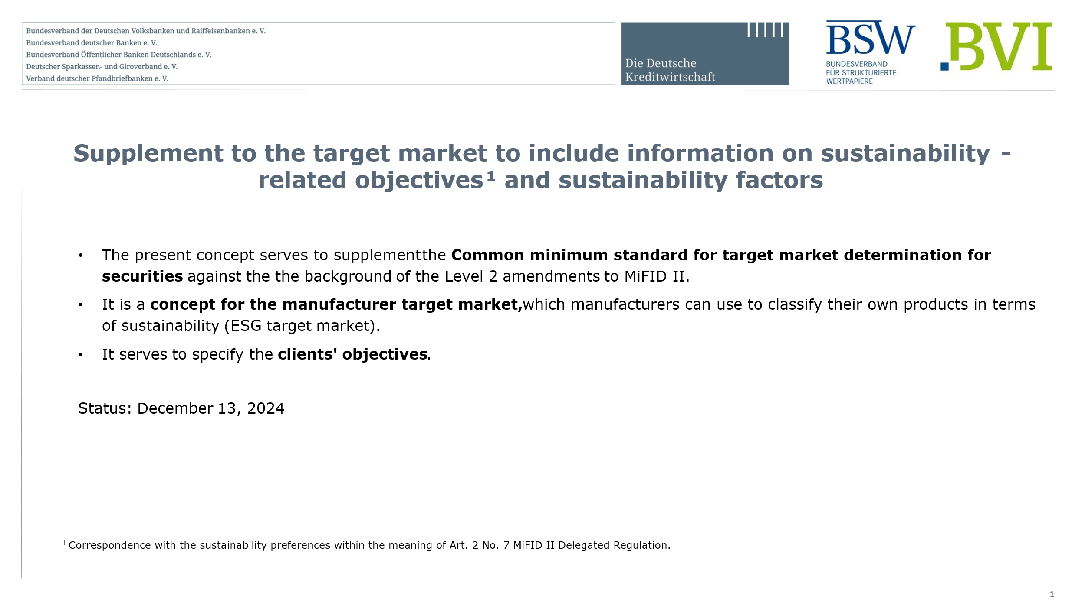
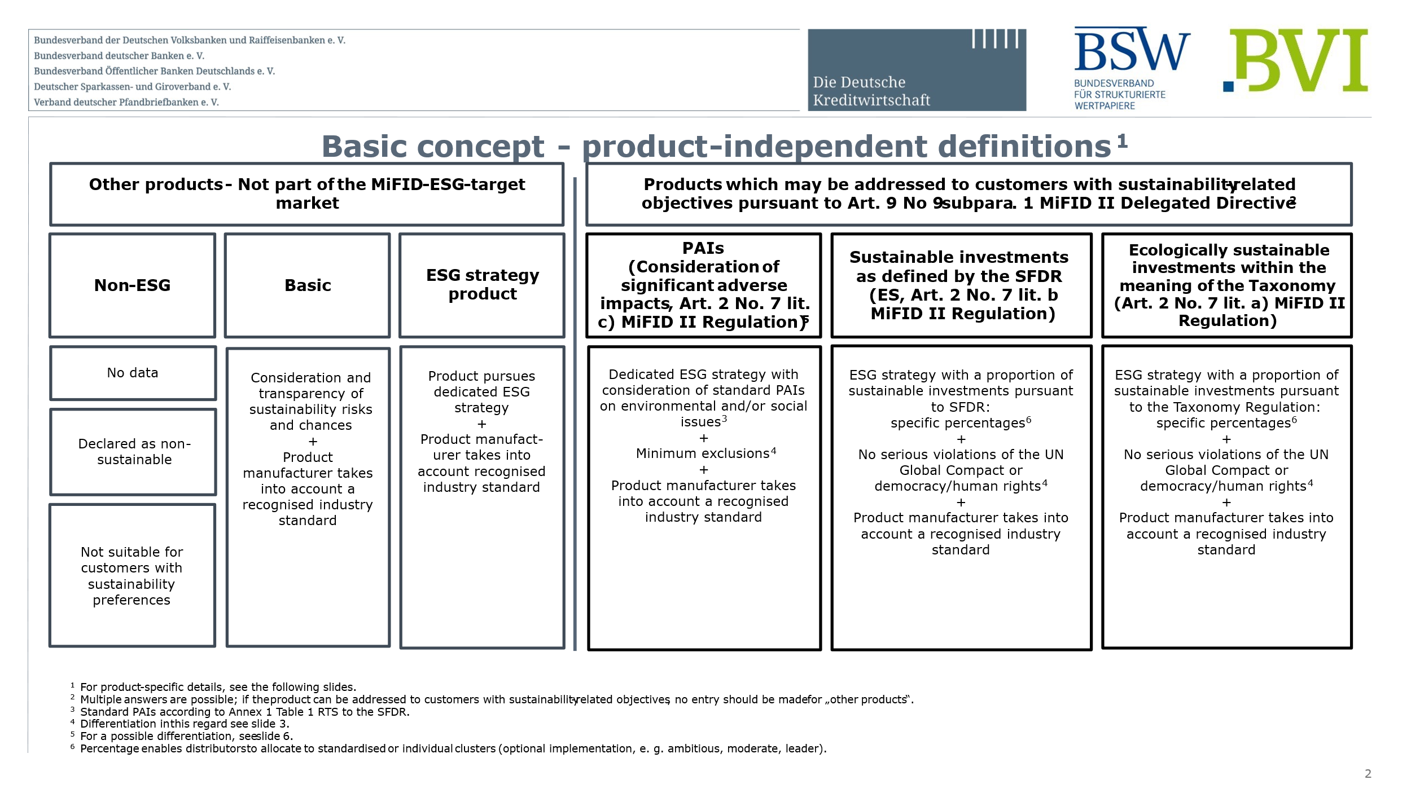
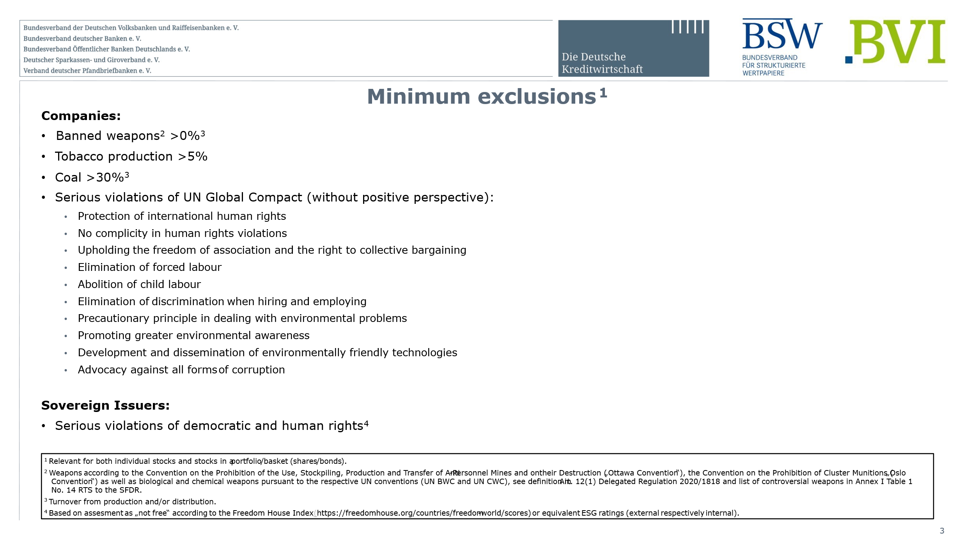
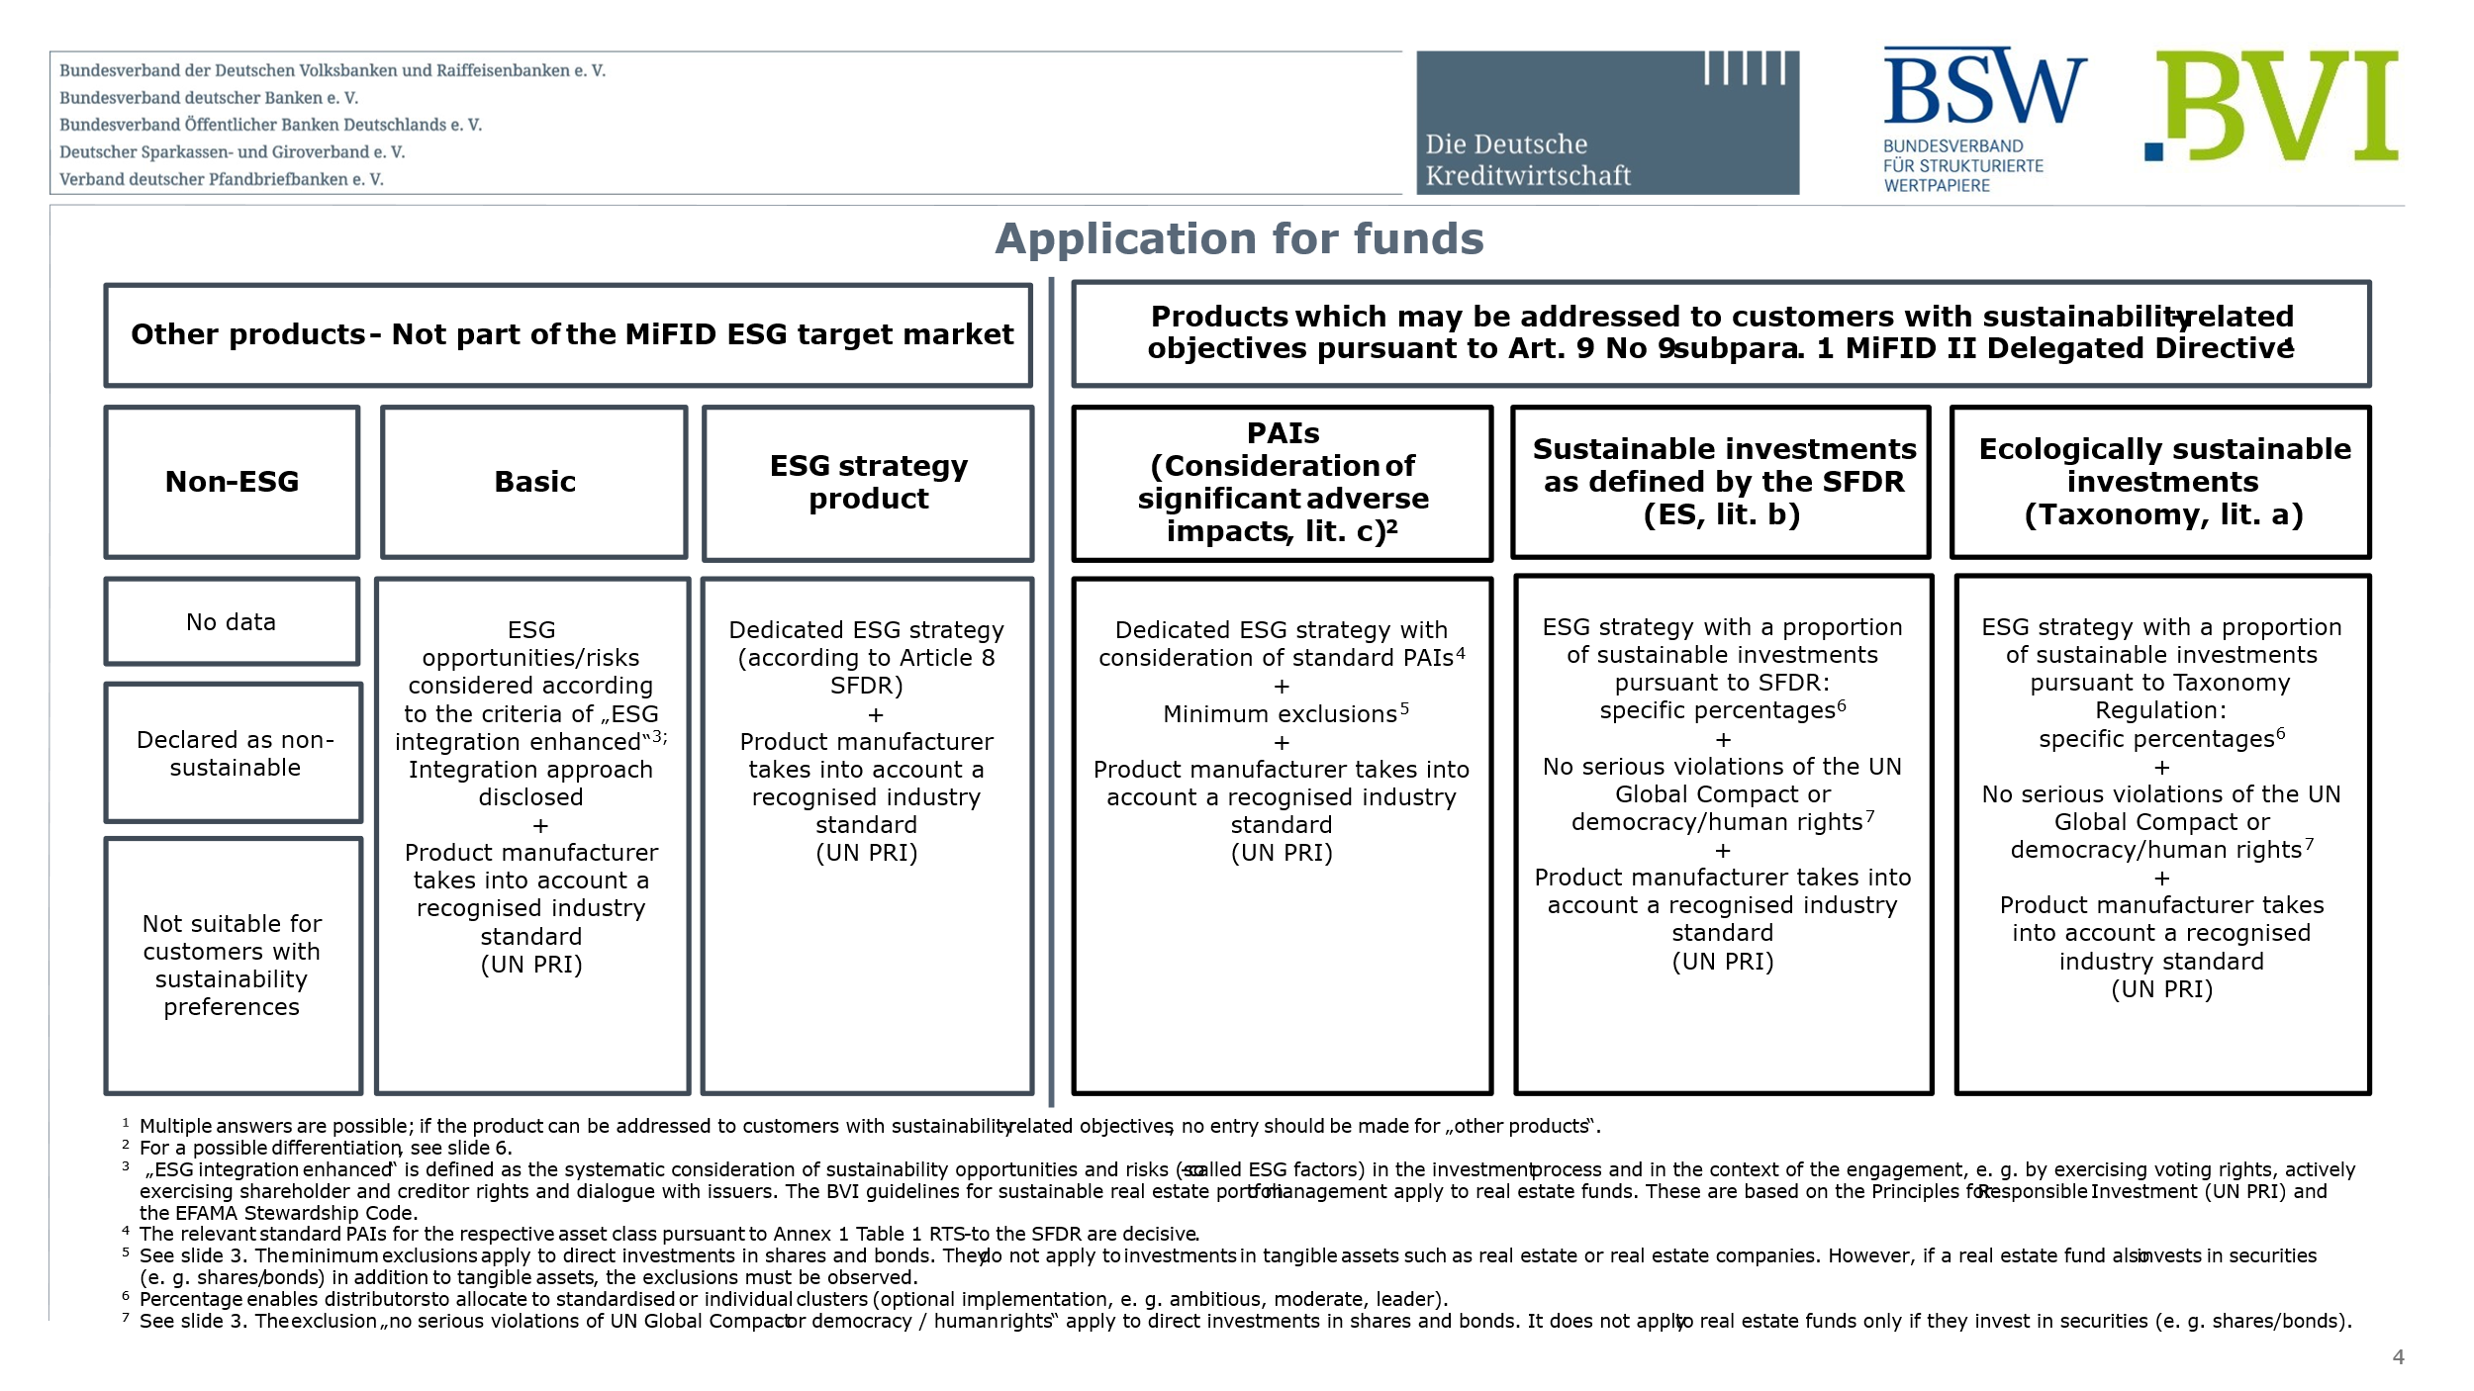
German Mifid Market

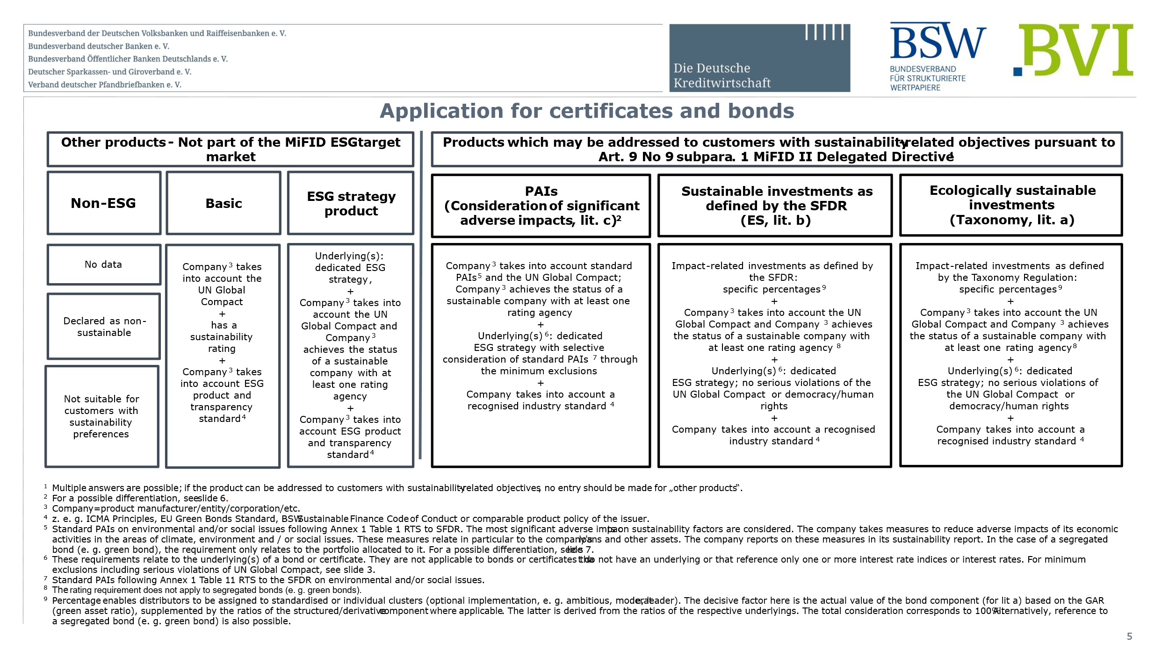
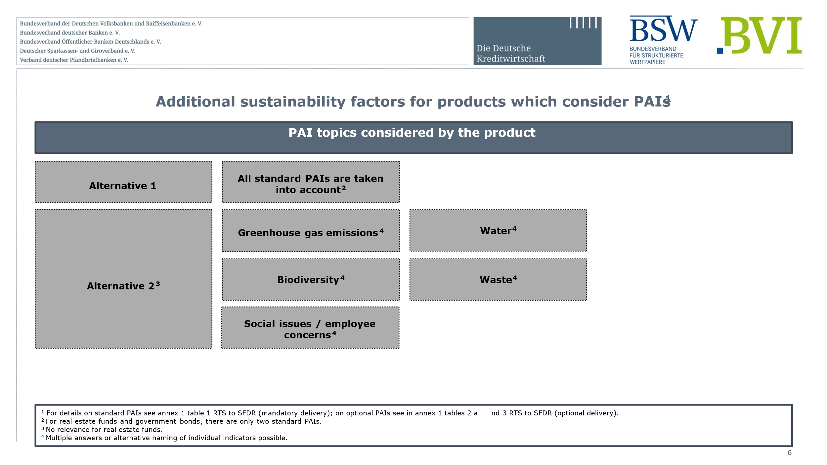
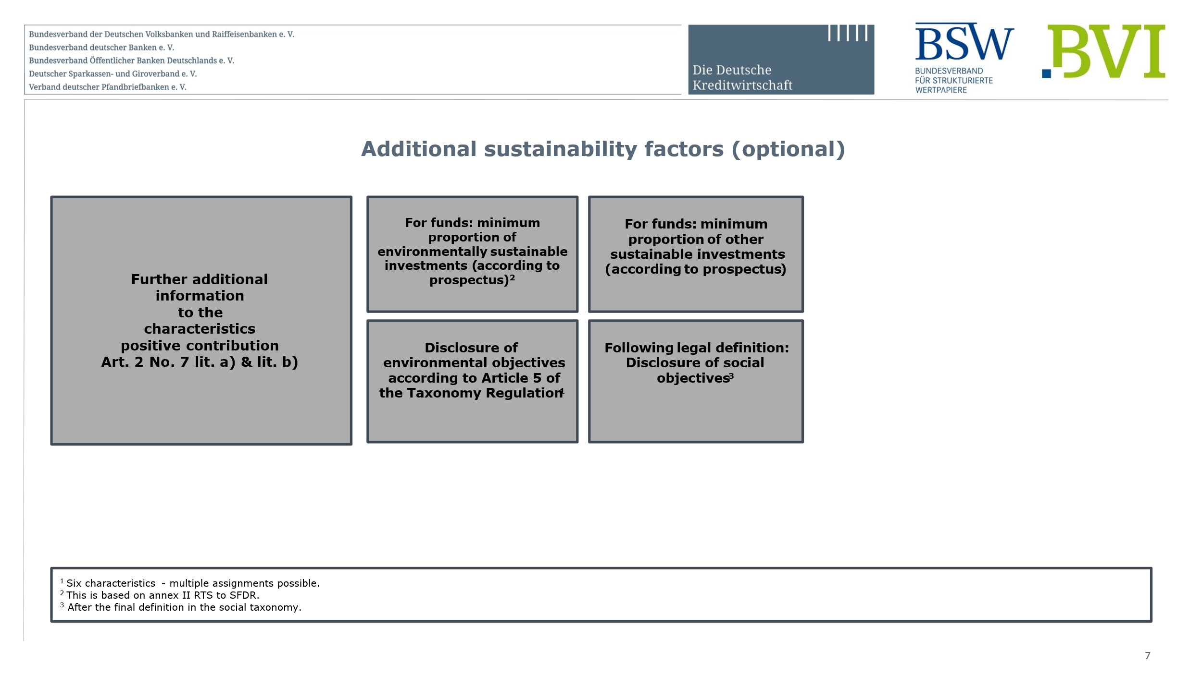
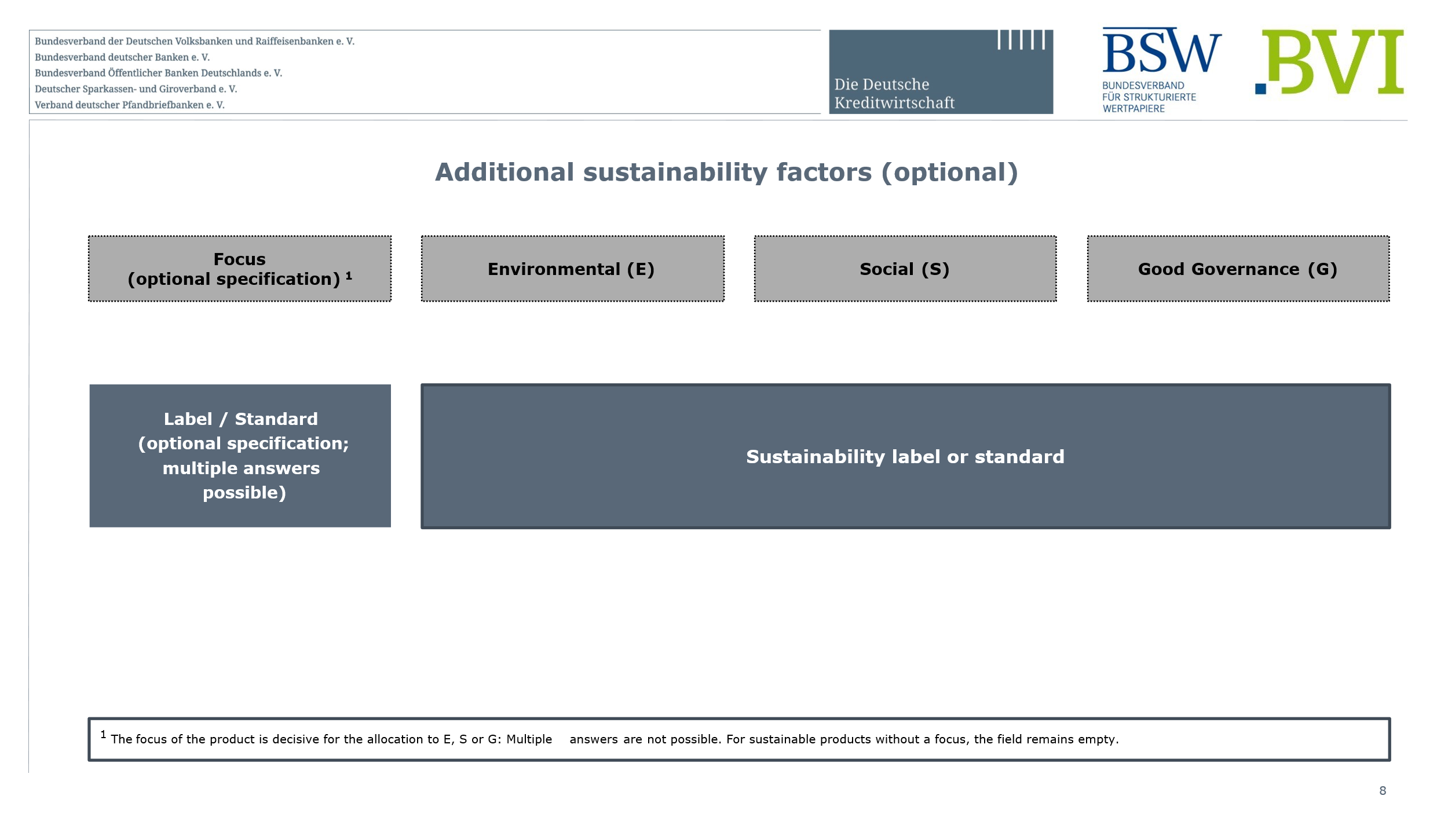

French Mifid Market

